Data_Equities
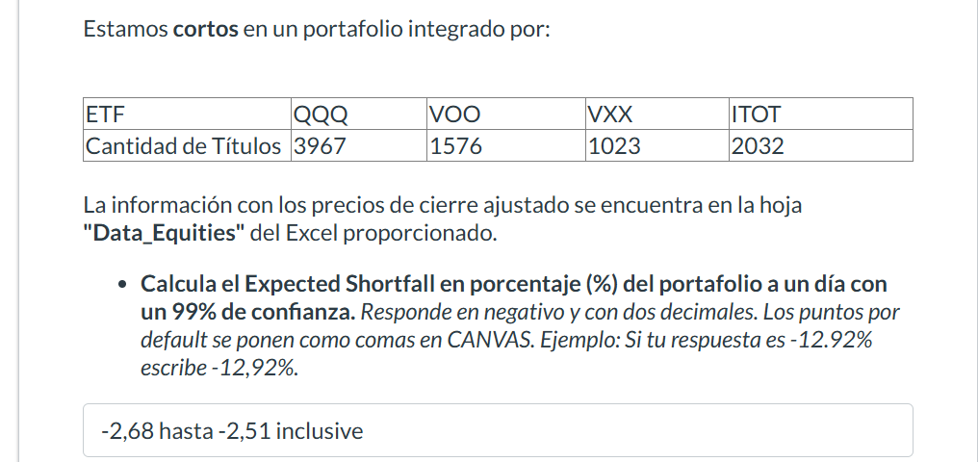
Date | QQQ | VOO | VXX | ITOT
2023-01-03 | 263.32827759 | 345.87075806 | 55.959999084 | 83.437942505
2023-01-04 | 264.58276367 | 348.36114502 | 54.439998627 | 84.139686584
2023-01-05 | 260.44088745 | 344.556427 | 54.880001068 | 83.141433716
2023-01-06 | 267.62945557 | 352.39309692 | 53.599998474 | 85.039100647
2023-01-09 | 269.36190796 | 352.13613892 | 53.880001068 | 85.048988342
2023-01-10 | 271.64187622 | 354.64627075 | 51.63999939 | 85.740844727
2023-01-11 | 276.34133911 | 359.17236328 | 51.880001068 | 86.837928772
2023-01-12 | 277.83480835 | 360.51635742 | 49.319999695 | 87.302459717
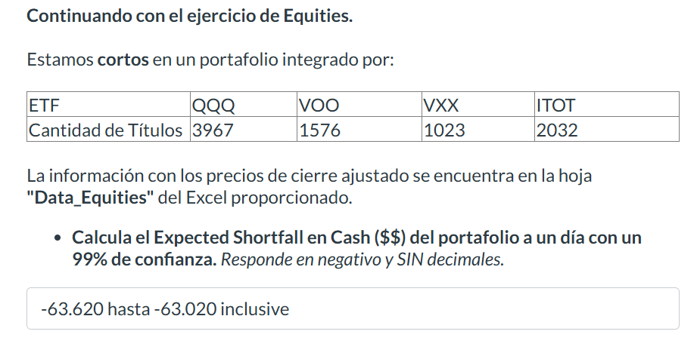
2023-01-13 | 279.74645996 | 361.91964722 | 48.080001831 | 87.648384094
2023-01-17 | 280.31396484 | 361.36624146 | 48.479999542 | 87.51990509
2023-01-18 | 276.66989136 | 355.49615479 | 50.200000763 | 86.175727844
2023-01-19 | 273.95181274 | 352.93661499 | 50.479999542 | 85.493743896
2023-01-20 | 281.44897461 | 359.42926025 | 48.680000305 | 87.104782104
2023-01-23 | 287.70162964 | 363.80718994 | 48.319999695 | 88.241409302
2023-01-24 | 287.11422729 | 363.42175293 | 46.439998627 | 88.083274841
2023-01-25 | 286.47702026 | 363.55020142 | 46.520000458 | 88.112915039
2023-01-26 | 292.06256104 | 367.43395996 | 45.799999237 | 89.061752319
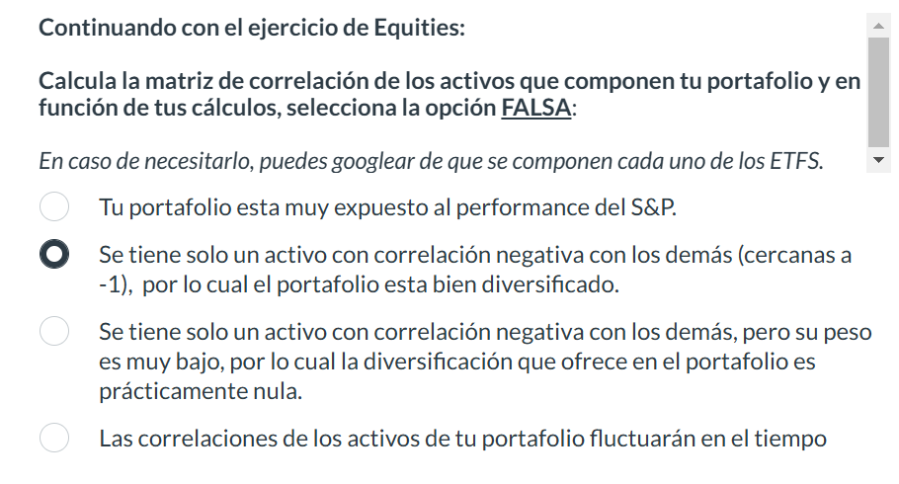
2023-01-27 | 294.96987915 | 368.48147583 | 45.200000763 | 89.427452087
2023-01-30 | 289.00598145 | 363.87631226 | 46.319999695 | 88.211753845
2023-01-31 | 293.33700562 | 369.04476929 | 45.279998779 | 89.615234375
2023-02-01 | 299.60958862 | 373.0866394 | 43.919998169 | 90.662910461
2023-02-02 | 310.36254883 | 378.43295288 | 44.840000153 | 92.066383362
2023-02-03 | 304.84667969 | 374.39111328 | 45.279998779 | 91.127433777
2023-02-06 | 302.26797485 | 372.22689819 | 46.400001526 | 90.445465088
2023-02-07 | 308.5305481 | 377.02966309 | 44.959999084 | 91.611740112
2023-02-08 | 303.04458618 | 372.89886475 | 46.63999939 | 90.544303894
2023-02-09 | 300.36627197 | 369.70687866 | 48.119998932 | 89.694313049
2023-02-10 | 298.39492798 | 370.60614014 | 48.680000305 | 89.862335205
2023-02-13 | 303.17401123 | 374.88522339 | 46.759998322 | 90.890228271
2023-02-14 | 305.41418457 | 374.74688721 | 45.200000763 | 90.939659119
2023-02-15 | 307.75396729 | 376.00192261 | 44.279998779 | 91.394302368
2023-02-16 | 301.97921753 | 370.77416992 | 46.720001221 | 90.16872406
2023-02-17 | 299.84854126 | 369.81561279 | 46.680000305 | 89.941398621
2023-02-21 | 292.74957275 | 362.47305298 | 50.319999695 | 88.033851624
2023-02-22 | 292.96862793 | 362.01843262 | 48.880001068 | 87.935012817
2023-02-23 | 295.52746582 | 363.83682251 | 47.159999847 | 88.448959351
2023-02-24 | 290.57910156 | 359.94317627 | 49 | 87.5001297
2023-02-27 | 292.65997314 | 361.18835449 | 47.119998932 | 87.776870728
2023-02-28 | 292.28161621 | 359.82458496 | 46.159999847 | 87.549552917
2023-03-01 | 289.9319458 | 358.51022339 | 46.599998474 | 87.243156433
2023-03-02 | 292.3314209 | 361.18835449 | 44.880001068 | 87.855941772
2023-03-03 | 298.375 | 366.91018677 | 43.599998474 | 89.259422302
2023-03-06 | 298.71347046 | 367.35491943 | 42.840000153 | 89.160591125
2023-03-07 | 295.04949951 | 361.67260742 | 43.770000458 | 87.806526184
2023-03-08 | 296.52307129 | 362.23587036 | 43.049999237 | 87.935012817
2023-03-09 | 291.3855896 | 355.60479736 | 47.509998322 | 86.205375671
2023-03-10 | 287.29345703 | 350.50552368 | 52.930000305 | 84.732711792
2023-03-13 | 289.4241333 | 349.91259766 | 54.540000916 | 84.505386353
2023-03-14 | 296.07504272 | 355.72341919 | 51.659999847 | 85.879211426
2023-03-15 | 297.62823486 | 353.52954102 | 54.959999084 | 85.197235107
2023-03-16 | 305.47390747 | 359.57751465 | 50.459999084 | 86.679779053
2023-03-17 | 304.0302124 | 355.64434814 | 55.959999084 | 85.572822571
2023-03-20 | 305.10922241 | 358.85610962 | 53.099998474 | 86.314086914
2023-03-21 | 309.46691895 | 363.55020142 | 48.459999084 | 87.598968506
2023-03-22 | 305.25878906 | 357.52203369 | 50.540000916 | 85.997817993
2023-03-23 | 308.87857056 | 358.37188721 | 51.88999939 | 86.13873291
2023-03-24 | 310.01538086 | 360.76034546 | 49.740001678 | 86.694458008
2023-03-27 | 307.89138794 | 361.35574341 | 47.970001221 | 86.932640076
2023-03-28 | 306.25595093 | 360.72064209 | 46.63999939 | 86.773857117
2023-03-29 | 311.84020996 | 365.8508606 | 45.11000061 | 88.054023743
2023-03-30 | 314.79190063 | 368.03393555 | 45.11000061 | 88.520446777
2023-03-31 | 320.02709961 | 373.17401123 | 44.909999847 | 89.860168457
2023-04-03 | 319.2492981 | 374.65252686 | 43.909999847 | 90.118179321
2023-04-04 | 318.17236328 | 372.53894043 | 44.669998169 | 89.46321106
2023-04-05 | 315.03121948 | 371.63592529 | 44.259998322 | 89.155570984
2023-04-06 | 317.15518188 | 373.05496216 | 43.479999542 | 89.443359375
2023-04-10 | 316.97570801 | 373.46176147 | 43.060001373 | 89.621986389
2023-04-11 | 314.94146729 | 373.51141357 | 42.63999939 | 89.731147766
2023-04-12 | 312.15933228 | 372.02294922 | 42.900001526 | 89.324279785
2023-04-13 | 318.27206421 | 376.84552002 | 41.340000153 | 90.515136719
2023-04-14 | 317.67376709 | 376.0715332 | 40.61000061 | 90.227340698
2023-04-17 | 317.94299316 | 377.35159302 | 39.5 | 90.614372253
2023-04-18 | 317.96292114 | 377.60961914 | 39.240001678 | 90.673912048
2023-04-19 | 317.81335449 | 377.58972168 | 39.090000153 | 90.703689575
2023-04-20 | 315.39019775 | 375.45629883 | 39.950000763 | 90.147949219
2023-04-21 | 315.7192688 | 375.67462158 | 39.200000763 | 90.237266541
2023-04-24 | 315.06115723 | 376.17077637 | 38.990001678 | 90.27696991
2023-04-25 | 309.1178894 | 370.22689819 | 42.290000916 | 88.738769531
2023-04-26 | 310.99258423 | 368.57965088 | 41.220001221 | 88.351737976
2023-04-27 | 319.44876099 | 375.89291382 | 39.430000305 | 89.999099731
2023-04-28 | 321.65252686 | 379.10794067 | 37.86000061 | 90.773155212
2023-05-01 | 321.28356934 | 378.8500061 | 37.240001678 | 90.743385315
2023-05-02 | 318.48147583 | 374.60296631 | 38.88999939 | 89.612068176
2023-05-03 | 316.39733887 | 371.99319458 | 40.099998474 | 89.09602356
2023-05-04 | 315.2805481 | 369.27432251 | 42.060001373 | 88.4112854
2023-05-05 | 321.9815979 | 376.05166626 | 38.75 | 90.108261108
2023-05-08 | 322.77935791 | 376.26004028 | 38.11000061 | 90.138031006
2023-05-09 | 320.73513794 | 374.63272095 | 39.029998779 | 89.800613403
2023-05-10 | 324.22531128 | 376.26998901 | 37.840000153 | 90.207496643
2023-05-11 | 325.2822876 | 375.74407959 | 37.470001221 | 89.959403992
2023-05-12 | 324.11560059 | 375.23797607 | 37.509998322 | 89.810539246
2023-05-15 | 325.8706665 | 376.53790283 | 36.5 | 90.247192383
2023-05-16 | 326.23959351 | 374.04724121 | 37.61000061 | 89.512825012
2023-05-17 | 330.18844604 | 378.51260376 | 36.36000061 | 90.703689575
2023-05-18 | 336.32113647 | 382.21386719 | 34.900001526 | 91.586906433
2023-05-19 | 335.56329346 | 381.60858154 | 35.770000458 | 91.388427734
2023-05-22 | 336.69012451 | 381.81695557 | 35.810001373 | 91.557136536
2023-05-23 | 332.42211914 | 377.55007935 | 36.490001678 | 90.574668884
2023-05-24 | 330.71694946 | 374.72201538 | 37.959999084 | 89.880012512
2023-05-25 | 338.76425171 | 377.98669434 | 37.069999695 | 90.475440979
2023-05-26 | 347.41983032 | 382.89855957 | 35.650001526 | 91.676216125
2023-05-30 | 348.99539185 | 383.01763916 | 34.729999542 | 91.715911865
2023-05-31 | 347.01095581 | 380.93380737 | 34.459999084 | 91.180023193
2023-06-01 | 351.01968384 | 384.58547974 | 32.490001678 | 92.073173523
2023-06-02 | 353.6522522 | 390.23165894 | 31.180000305 | 93.60144043
2023-06-05 | 353.90155029 | 389.47750854 | 30.61000061 | 93.363273621
2023-06-06 | 353.84170532 | 390.28128052 | 28.780000687 | 93.819763184
2023-06-07 | 347.83865356 | 389.00119019 | 28.909999847 | 93.613731384
2023-06-08 | 352.15646362 | 391.33309937 | 28.209999084 | 94.081542969
2023-06-09 | 353.50268555 | 391.98800659 | 28.36000061 | 94.131317139
2023-06-12 | 359.47579956 | 395.59005737 | 28.489999771 | 94.987327576
2023-06-13 | 362.23803711 | 398.1998291 | 28.420000076 | 95.713943481
2023-06-14 | 364.87060547 | 398.50741577 | 27.569999695 | 95.753753662
2023-06-15 | 369.21835327 | 403.61773682 | 28.299999237 | 96.878517151
2023-06-16 | 366.89489746 | 402.1293335 | 27.299999237 | 96.530136108
2023-06-20 | 366.36965942 | 400.27371216 | 27.350000381 | 96.042404175
2023-06-21 | 361.37689209 | 398.08074951 | 26.790000916 | 95.50491333
2023-06-22 | 365.64071655 | 399.5295105 | 26.149999619 | 95.773658752
2023-06-23 | 362.01596069 | 396.53271484 | 26.479999542 | 94.917648315
2023-06-26 | 357.16296387 | 394.89544678 | 26.430000305 | 94.628997803
2023-06-27 | 363.30407715 | 399.27148438 | 25.770000458 | 95.763710022
2023-06-28 | 364.01306152 | 399.45007324 | 24.829999924 | 95.873199463
2023-06-29 | 363.28411865 | 400.98028564 | 25.370000839 | 96.331062317
2023-06-30 | 368.88601685 | 405.73214722 | 25 | 97.386146545
2023-07-03 | 369.75476074 | 406.50918579 | 24.739999771 | 97.585220337
2023-07-05 | 369.74478149 | 405.60263062 | 25.069999695 | 97.306518555
2023-07-06 | 366.92883301 | 402.29525757 | 26.510000229 | 96.460464478
2023-07-07 | 365.71060181 | 401.3588562 | 25.829999924 | 96.331062317
2023-07-10 | 365.83041382 | 402.4347229 | 25.659999847 | 96.73916626
2023-07-11 | 367.6378479 | 405.01489258 | 25.469999313 | 97.525497437
2023-07-12 | 372.28109741 | 408.20272827 | 24.069999695 | 98.252113342
2023-07-13 | 378.60192871 | 411.5300293 | 24.209999084 | 99.12802887
2023-07-14 | 378.52206421 | 411.20126343 | 23.920000076 | 98.899093628
2023-07-17 | 382.0569458 | 412.63580322 | 23.870000839 | 99.337059021
2023-07-18 | 385.18240356 | 415.7638855 | 23.479999542 | 100.10348511
2023-07-19 | 385.09255981 | 416.66046143 | 23.899999619 | 100.3722229
2023-07-20 | 376.21542358 | 413.94082642 | 23.989999771 | 99.635658264
2023-07-21 | 375.08703613 | 413.99066162 | 23.700000763 | 99.655570984
2023-07-24 | 375.68618774 | 415.74395752 | 23.299999237 | 100.02384949
2023-07-25 | 378.23248291 | 416.9692688 | 23.290000916 | 100.23287964
2023-07-26 | 376.9743042 | 417.06890869 | 22.670000076 | 100.32246399
2023-07-27 | 376.07559204 | 414.23971558 | 23.799999237 | 99.565986633
2023-07-28 | 382.9256897 | 418.27429199 | 22.899999619 | 100.65093231
2023-07-31 | 383.12539673 | 419.08120728 | 22.600000381 | 100.91967773
2023-08-01 | 382.23669434 | 417.78616333 | 22.950000763 | 100.60116577
2023-08-02 | 373.84884644 | 411.9982605 | 25.020000458 | 99.19770813
2023-08-03 | 373.24969482 | 410.83270264 | 24.940000534 | 98.918998718
2023-08-04 | 371.50222778 | 408.82037354 | 25.829999924 | 98.461135864
2023-08-07 | 374.64767456 | 412.50628662 | 24.479999542 | 99.297241211
2023-08-08 | 371.46228027 | 410.72311401 | 24.909999847 | 98.799560547
2023-08-09 | 367.37820435 | 407.99349976 | 24.690000534 | 98.112762451
2023-08-10 | 368.05722046 | 408.2326355 | 24.799999237 | 98.112762451
2023-08-11 | 365.71060181 | 407.85406494 | 23.829999924 | 98.023178101
2023-08-14 | 369.81466675 | 410.15527344 | 23.420000076 | 98.481048584
2023-08-15 | 365.89035034 | 405.45321655 | 24.770000458 | 97.366241455
2023-08-16 | 362.01596069 | 402.45465088 | 25.170000076 | 96.589859009
2023-08-17 | 358.06167603 | 399.19708252 | 26.379999161 | 95.793563843
2023-08-18 | 357.61233521 | 399.56567383 | 25.709999084 | 95.893104553
2023-08-21 | 363.37399292 | 402.20559692 | 25.030000687 | 96.470413208
2023-08-22 | 362.85473633 | 401.07989502 | 25.13999939 | 96.131996155
2023-08-23 | 368.57644653 | 405.40341187 | 24.305000305 | 97.216934204
2023-08-24 | 360.69787598 | 400.01397705 | 25.299999237 | 95.922966003
2023-08-25 | 363.49380493 | 402.66387939 | 24.200000763 | 96.579902649
2023-08-28 | 366.2298584 | 405.3137207 | 23.25 | 97.197029114
2023-08-29 | 374.22827148 | 411.07180786 | 22.670000076 | 98.620399475
2023-08-30 | 376.31524658 | 412.78521729 | 21.989999771 | 99.028488159
2023-08-31 | 377.44360352 | 412.25723267 | 21.5 | 98.948867798
2023-09-01 | 377.04418945 | 413.13391113 | 21.209999084 | 99.24747467
2023-09-05 | 377.52352905 | 411.33078003 | 21.350000381 | 98.680114746
2023-09-06 | 374.19830322 | 408.49160767 | 21.739999771 | 98.082901001
2023-09-07 | 371.52218628 | 407.27624512 | 21.709999084 | 97.724571228
2023-09-08 | 372.04144287 | 407.83413696 | 21.280000687 | 97.844017029
2023-09-11 | 376.42510986 | 410.5138855 | 20.780000687 | 98.451187134
2023-09-12 | 372.25115967 | 408.31231689 | 20.930000305 | 97.95350647
2023-09-13 | 373.66906738 | 408.79049683 | 20.510000229 | 97.97341156
2023-09-14 | 376.72467041 | 412.32699585 | 19.909999847 | 98.839378357
2023-09-15 | 370.27398682 | 407.18658447 | 20.680000305 | 97.654891968
2023-09-18 | 370.66000366 | 407.6348877 | 20.510000229 | 97.644935608
2023-09-19 | 369.86999512 | 406.81799316 | 20.409999847 | 97.435913086
2023-09-20 | 364.54000854 | 403.01251221 | 21.180000305 | 96.540084839
2023-09-21 | 357.85998535 | 396.40774536 | 22.809999466 | 94.917648315
2023-09-22 | 357.91000366 | 395.45135498 | 22.870000839 | 94.688713074
2023-09-25 | 359.60998535 | 397.09509277 | 22.899999619 | 95.056999207
2023-09-26 | 354.20999146 | 391.26733398 | 25.040000916 | 93.720001221
2023-09-27 | 355.04000854 | 391.35699463 | 23.969999313 | 93.819999695
2023-09-28 | 358.01000977 | 393.64001465 | 22.870000839 | 94.489997864
2023-09-29 | 358.26998901 | 392.70001221 | 23.319999695 | 94.190002441
2023-10-02 | 361.26000977 | 392.67001343 | 23.36000061 | 94.029998779
2023-10-03 | 354.92001343 | 387.39001465 | 25.559999466 | 92.680000305
2023-10-04 | 359.75 | 390.23999023 | 24.280000687 | 93.400001526
2023-10-05 | 358.69000244 | 389.91000366 | 23.940000534 | 93.269996643
2023-10-06 | 364.70001221 | 394.55999756 | 23.63999939 | 94.449996948
2023-10-09 | 366.55999756 | 397.19000244 | 23.309999466 | 95.050003052
2023-10-10 | 368.58999634 | 399.23999023 | 22.530000687 | 95.599998474
2023-10-11 | 371.22000122 | 400.92999268 | 22.120000839 | 95.940002441
2023-10-12 | 369.92999268 | 398.51998901 | 22.600000381 | 95.180000305
2023-10-13 | 365.27999878 | 396.42001343 | 25.319999695 | 94.650001526
2023-10-16 | 369.41000366 | 400.57000732 | 22.909999847 | 95.760002136
2023-10-17 | 368.20001221 | 400.57998657 | 23.549999237 | 95.849998474
2023-10-18 | 363.36999512 | 395.22000122 | 25.059999466 | 94.470001221
2023-10-19 | 359.97000122 | 391.86999512 | 26.299999237 | 93.569999695
2023-10-20 | 354.6000061 | 386.98999023 | 26.459999084 | 92.410003662
2023-10-23 | 355.67001343 | 386.30999756 | 25.549999237 | 92.13999939
2023-10-24 | 359.13000488 | 389.20001221 | 24.38999939 | 92.870002747
2023-10-25 | 350.33999634 | 383.70999146 | 25.979999542 | 91.440002441
2023-10-26 | 343.66000366 | 379 | 26.209999084 | 90.519996643
2023-10-27 | 345.30999756 | 377.32000732 | 27.079999924 | 90.040000916
2023-10-30 | 349.20001221 | 381.85998535 | 25.059999466 | 91.059997559
2023-10-31 | 350.86999512 | 384.17001343 | 23.450000763 | 91.669998169
2023-11-01 | 356.95999146 | 388.3999939 | 22.459999084 | 92.550003052
2023-11-02 | 363.44000244 | 395.77999878 | 21.690000534 | 94.379997253
2023-11-03 | 367.70999146 | 399.44000244 | 21.180000305 | 95.449996948
2023-11-06 | 369.20999146 | 400.20999146 | 20.479999542 | 95.480003357
2023-11-07 | 372.70001221 | 401.33999634 | 20.379999161 | 95.800003052
2023-11-08 | 372.94000244 | 401.67001343 | 20 | 95.769996643
2023-11-09 | 370.07000732 | 398.64001465 | 20.770000458 | 94.970001221
2023-11-10 | 378.39001465 | 404.85998535 | 19.930000305 | 96.38999939
2023-11-13 | 377.20999146 | 404.45001221 | 19.709999084 | 96.330001831
2023-11-14 | 385.32998657 | 412.22000122 | 19.559999466 | 98.480003357
2023-11-15 | 385.61999512 | 413.11999512 | 19.149999619 | 98.739997864
2023-11-16 | 385.95001221 | 413.70001221 | 18.850000381 | 98.690002441
2023-11-17 | 386.04000854 | 414.30999756 | 18.559999466 | 98.919998169
2023-11-20 | 390.73999023 | 417.42999268 | 18.420000076 | 99.690002441
2023-11-21 | 388.47000122 | 416.33999634 | 18.059999466 | 99.379997253
2023-11-22 | 390.05999756 | 418.14001465 | 18.200000763 | 99.839996338
2023-11-24 | 389.51000977 | 418.36999512 | 17.420000076 | 99.910003662
2023-11-27 | 389.17001343 | 417.64001465 | 17.540000916 | 99.75
2023-11-28 | 390.19000244 | 418.04998779 | 17.309999466 | 99.839996338
2023-11-29 | 389.80999756 | 417.77999878 | 17.559999466 | 99.86000061
2023-11-30 | 388.82998657 | 419.3999939 | 17.290000916 | 100.31999969
2023-12-01 | 389.94000244 | 421.85998535 | 17.229999542 | 101.13999939
2023-12-04 | 386.32000732 | 419.73999023 | 17.280000687 | 100.77999878
2023-12-05 | 387.29000854 | 419.60998535 | 17.159999847 | 100.58000183
2023-12-06 | 385.04998779 | 417.85998535 | 17.239999771 | 100.23999786
2023-12-07 | 390.42999268 | 421.13000488 | 17.25 | 100.98999786
2023-12-08 | 392.17001343 | 422.92001343 | 16.75 | 101.44000244

Data_Rate
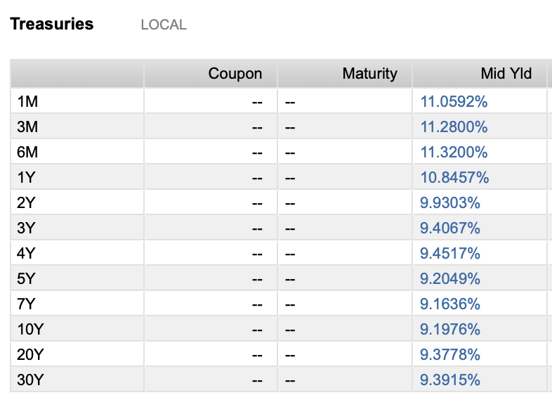
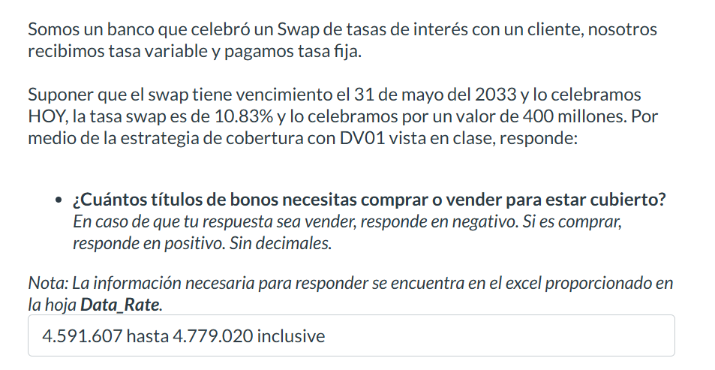
Maturity Date | Amt Out (MXN) | Identifier | Description | Cur | Deal Type | Security Type | Price | YTM | Close Date
2024 | 1,618.1
15 Feb '24 | - | MX92FO0O00S0 | Bank of Mexico 0.10% | MXN | Debt | Sovereign Commercial Paper | - | - | 18 Jan '24
15 Feb '24 | 29.9 | MXBIGO000VD4 | Government of Mexico 0.00% | MXN | Debt | Sovereign Bill/Discount Note | 9.983 | 10.035 | 16 Nov '23
22 Feb '24 | 58.8 | MXBIGO000UA2 | Government of Mexico 0.00% | MXN | Debt | Sovereign Bill/Discount Note | 9.963 | 10.348 | 24 Aug '23
22 Feb '24 | - | MX92FE040791 | Bank of Mexico 11.75% | MXN | Debt | Sovereign Commercial Paper | - | - | 23 Feb '23
29 Feb '24 | 29.4 | MXBIGO000VF9 | Government of Mexico 0.00% | MXN | Debt | Sovereign Bill/Discount Note | 9.945 | 9.884 | 30 Nov '23
29 Feb '24 | - | MX92FE0407B5 | Bank of Mexico 11.78% | MXN | Debt | Sovereign Commercial Paper | - | - | 02 Mar '23
29 Feb '24 | 49.6 | MXLFGO000122 | Government of Mexico 11.50% | MXN | Debt | Sovereign Bond/Note | - | - | 03 Mar '22
07 Mar '24 | 68.2 | MXBIGO000UE4 | Government of Mexico 0.00% | MXN | Debt | Sovereign Bill/Discount Note | 9.922 | 10.508 | 09 Mar '23
07 Mar '24 | - | MX92FE0407E9 | Bank of Mexico 11.80% | MXN | Debt | Sovereign Commercial Paper | - | - | 09 Mar '23
14 Mar '24 | 11.3 | MXBIGO000VI3 | Government of Mexico 0.00% | MXN | Debt | Sovereign Commercial Paper | 9.901 | 10.558 | 14 Dec '23
14 Mar '24 | 35.6 | MXLFGO0002R4 | Government of Mexico 11.50% | MXN | Debt | Sovereign Bond/Note | - | - | 16 Mar '23
21 Mar '24 | - | MX92FO0O00B6 | Bank of Mexico 11.77% | MXN | Debt | Sovereign Commercial Paper | - | - | 05 Oct '23
21 Mar '24 | 33.6 | MXBIGO000V45 | Government of Mexico 0.00% | MXN | Debt | Sovereign Bill/Discount Note | 9.881 | 10.598 | 21 Sep '23
21 Mar '24 | 45.3 | MXLFGO000189 | Government of Mexico 11.50% | MXN | Debt | Sovereign Bond/Note | - | - | 24 Mar '22
27 Mar '24 | 8.7 | MXBIGO000VK9 | Government of Mexico 0.00% | MXN | Debt | Sovereign Bill/Discount Note | 9.863 | 10.629 | 28 Dec '23
28 Mar '24 | - | MX92FO0O0085 | Bank of Mexico 11.77% | MXN | Debt | Sovereign Commercial Paper | - | - | 21 Sep '23
04 Apr '24 | - | MX92FO0O00E0 | Bank of Mexico 11.76% | MXN | Debt | Sovereign Commercial Paper | - | - | 19 Oct '23 |  |  |  |  |  | ASUME QUE "HOY" ES 20 DE FEBRERO DEL 2024
04 Apr '24 | 70.7 | MXBIGO000UH7 | Government of Mexico 0.00% | MXN | Debt | Sovereign Bill/Discount Note | 9.84 | 10.665 | 05 Apr '23
04 Apr '24 | 25.6 | MXLDGO0004Y1 | Government of Mexico 11.50% | MXN | Debt | Sovereign Bond/Note | - | - | 08 Apr '21
11 Apr '24 | 21.5 | MXBIGO000VL7 | Government of Mexico 0.00% | MXN | Debt | Sovereign Bill/Discount Note | 9.811 | 11.185 | 11 Jan '24 | Maturity | 2033-05-31
18 Apr '24 | - | MX92FO0O00H3 | Bank of Mexico 11.78% | MXN | Debt | Sovereign Commercial Paper | - | - | 01 Nov '23 | Settle | 2024-02-20
18 Apr '24 | 53.9 | MXBIGO000V94 | Government of Mexico 0.00% | MXN | Debt | Sovereign Bill/Discount Note | 9.799 | 10.723 | 19 Oct '23 | Tasa Swap | 10.83%
22 Apr '24 | 3.5 | MX95FE040228 | Bank of Mexico 11.64% | MXN | Debt | Sovereign Bond/Note | - | - | 26 Apr '21 | Nocional | 400M
25 Apr '24 | 13.5 | MXBIGO000VN3 | Government of Mexico 0.00% | MXN | Debt | Sovereign Bill/Discount Note | 9.769 | 11.22 | 25 Jan '24
25 Apr '24 | 48.4 | MXLFGO0001M7 | Government of Mexico 11.50% | MXN | Debt | Sovereign Bond/Note | - | - | 05 May '22 | Valor del Swap | $61,219,000.00 |  | Valor del Bono | 89.618
02 May '24 | - | MX92FO0O00L5 | Bank of Mexico 11.78% | MXN | Debt | Sovereign Commercial Paper | - | - | 16 Nov '23 | Valor del Swap + 1 basis | $61,487,000.00 |  | Valor del Bono + 1 basis | 89.5607
02 May '24 | 75.4 | MXBIGO000UK1 | Government of Mexico 0.00% | MXN | Debt | Sovereign Bill/Discount Note | 9.758 | 10.775 | 04 May '23
09 May '24 | - | MXBIGO000VP8 | Government of Mexico 0.00% | MXN | Debt | Sovereign Bill/Discount Note | - | - | 08 Feb '24 | DV01 Swap | $268,000.00 |  | DV01 Bono | $0.06
09 May '24 | 18.8 | MXIMBP0601H4 | Government of Mexico 11.50% | MXN | Debt | Sovereign Bond/Note | - | - | 13 May '21 | Cuanto cambia el valor del Swap en pesos mexicanos |  |  | Cuanto cambia el valor del Bono en pesos mexicanos
16 May '24 | - | MX92FO0O00N1 | Bank of Mexico 11.78% | MXN | Debt | Sovereign Commercial Paper | - | - | 30 Nov '23 | por un cambio de un basis en la tasa |  |  | por un cambio de un basis en la tasa
16 May '24 | 31.4 | MXBIGO000VE2 | Government of Mexico 0.00% | MXN | Debt | Sovereign Bill/Discount Note | 9.717 | 10.809 | 16 Nov '23
23 May '24 | 48.8 | MXLFGO0001S4 | Government of Mexico 11.15% | MXN | Debt | Sovereign Bond/Note | - | - | 25 May '23 | Tenemos que comprar | 4,677,137.87 | bonos de la serie MX0MGO0001D6
30 May '24 | - | MX92FO0O00Q4 | Bank of Mexico 0.29% | MXN | Debt | Sovereign Commercial Paper | - | - | 14 Dec '23
30 May '24 | 67.5 | MXBIGO000UO3 | Government of Mexico 0.00% | MXN | Debt | Sovereign Bill/Discount Note | 9.677 | 10.841 | 01 Jun '23 | 4.- Escenario hipotético: Banxico sube las tasas 32 basis ese mismo día
30 May '24 | 4.8 | MXLDGO000520 | Government of Mexico 11.50% | MXN | Debt | Sovereign Bond/Note | - | - | 03 Jun '21
13 Jun '24 | 25.9 | MXBIGO000VH5 | Government of Mexico 0.00% | MXN | Debt | Sovereign Commercial Paper | 9.636 | 10.871 | 14 Dec '23 | Valor del Swap +32 basis | $69,780,000.00 |  | Valor del bono - 15 basis | 87.8083
27 Jun '24 | 59.0 | MXBIGO000UQ8 | Government of Mexico 0.00% | MXN | Debt | Sovereign Bill/Discount Note | 9.596 | 10.901 | 29 Jun '23
04 Jul '24 | - | MX92FO0O00T8 | Bank of Mexico 0.28% | MXN | Debt | Sovereign Commercial Paper | - | - | 18 Jan '24 | P&L (profit) | $8,561,000.00 |  | P&L (loss) | $(8,464,216.40)
11 Jul '24 | 36.7 | MXBIGO000VM5 | Government of Mexico 0.00% | MXN | Debt | Sovereign Bill/Discount Note | 9.543 | 11.277 | 11 Jan '24
25 Jul '24 | 65.4 | MXBIGO000UW6 | Government of Mexico 0.00% | MXN | Debt | Sovereign Bill/Discount Note | 9.501 | 11.324 | 27 Jul '23 | P&L cobertura | $96,783.60
25 Jul '24 | 40.7 | MXLFGO0002C6 | Government of Mexico 11.50% | MXN | Debt | Sovereign Bond/Note | - | - | 28 Jul '22
01 Aug '24 | 12.1 | MXLDGO000561 | Government of Mexico 11.50% | MXN | Debt | Sovereign Bond/Note | - | - | 12 Aug '21
08 Aug '24 | - | MX92FO0O0036 | Bank of Mexico 11.77% | MXN | Debt | Sovereign Commercial Paper | - | - | 10 Aug '23
15 Aug '24 | 58.3 | MXLFGO0002U8 | Government of Mexico 11.50% | MXN | Debt | Sovereign Bill/Discount Note | - | - | 17 Aug '23
22 Aug '24 | 39.0 | MXBIGO000UZ9 | Government of Mexico 0.00% | MXN | Debt | Sovereign Bill/Discount Note | 9.438 | 10.993 | 24 Aug '23
22 Aug '24 | - | MX92FO0O0069 | Bank of Mexico 11.78% | MXN | Debt | Sovereign Commercial Paper | - | - | 24 Aug '23
19 Sep '24 | 25.5 | MXBIGO000V37 | Government of Mexico 0.00% | MXN | Debt | Sovereign Bill/Discount Note | 9.361 | 11.018 | 21 Sep '23
19 Sep '24 | - | MX92FO0O0093 | Bank of Mexico 11.79% | MXN | Debt | Sovereign Commercial Paper | - | - | 21 Sep '23
03 Oct '24 | - | MX92FO0O00C4 | Bank of Mexico 11.78% | MXN | Debt | Sovereign Commercial Paper | - | - | 05 Oct '23
03 Oct '24 | 65.0 | MXBIGO000TL1 | Government of Mexico 0.00% | MXN | Debt | Sovereign Bond/Note | 9.323 | 11.03 | 13 Oct '22
03 Oct '24 | 54.2 | MXLFGO000015 | Government of Mexico 11.50% | MXN | Debt | Sovereign Bond/Note | - | - | 07 Oct '21
10 Oct '24 | - | MX95FE040277 | Bank of Mexico 11.76% | MXN | Debt | Sovereign Bond/Note | - | - | 27 Apr '23
17 Oct '24 | 38.4 | MXBIGO000V86 | Government of Mexico 0.00% | MXN | Debt | Sovereign Bill/Discount Note | 9.279 | 11.145 | 19 Oct '23
17 Oct '24 | - | MX92FO0O00F7 | Bank of Mexico 0.30% | MXN | Debt | Sovereign Commercial Paper | - | - | 19 Oct '23
24 Oct '24 | 44.4 | MXLFGO0002N3 | Government of Mexico 11.50% | MXN | Debt | Sovereign Bond/Note | - | - | 03 Nov '22
31 Oct '24 | - | MX92FO0O00I1 | Bank of Mexico 11.79% | MXN | Debt | Sovereign Commercial Paper | - | - | 01 Nov '23
07 Nov '24 | 48.9 | MXLFGO0002X2 | Government of Mexico 0.00% | MXN | Debt | Sovereign Bond/Note | - | - | 09 Nov '23
14 Nov '24 | 30.4 | MXBIGO000VC6 | Government of Mexico 0.00% | MXN | Debt | Sovereign Bill/Discount Note | 9.21 | 11.066 | 16 Nov '23
14 Nov '24 | - | MX92FO0O00J9 | Bank of Mexico 11.80% | MXN | Debt | Sovereign Commercial Paper | - | - | 16 Nov '23
28 Nov '24 | - | MX92FO0O00O9 | Bank of Mexico 11.80% | MXN | Debt | Sovereign Commercial Paper | - | - | 30 Nov '23
28 Nov '24 | 46.7 | MXBIGO000TW8 | Government of Mexico 0.00% | MXN | Debt | Sovereign Bill/Discount Note | 9.173 | 11.078 | 08 Dec '22
28 Nov '24 | 50.8 | MXLFGO000064 | Government of Mexico 11.50% | MXN | Debt | Sovereign Bond/Note | - | - | 02 Dec '21
11 Dec '24 | 22.5 | MXBIGO000VG7 | Government of Mexico 0.00% | MXN | Debt | Sovereign Commercial Paper | 9.139 | 11.089 | 14 Dec '23
12 Dec '24 | - | MX92FO0O00R2 | Bank of Mexico 11.80% | MXN | Debt | Sovereign Commercial Paper | - | - | 14 Dec '23
2025 | 1,554.5
02 Jan '25 | 37.3 | MXLFGO0000E6 | Government of Mexico 11.50% | MXN | Debt | Sovereign Bond/Note | - | - | 06 Jan '22
09 Jan '25 | 50.9 | MXBIGO000U38 | Government of Mexico 0.00% | MXN | Debt | Sovereign Bill/Discount Note | 9.063 | 11.113 | 11 Jan '24
16 Jan '25 | 30.3 | MXLFGO0002Z7 | Government of Mexico 11.24% | MXN | Debt | Sovereign Bill/Discount Note | - | - | 18 Jan '24
16 Jan '25 | - | MX92FO0O00U6 | Bank of Mexico 0.30% | MXN | Debt | Sovereign Commercial Paper | - | - | 18 Jan '24
23 Jan '25 | 72.9 | MXBIGO000U53 | Government of Mexico 0.00% | MXN | Debt | Sovereign Bill/Discount Note | 9.027 | 11.124 | 26 Jan '23
30 Jan '25 | 71.0 | MXLFGO0000P2 | Government of Mexico 11.50% | MXN | Debt | Sovereign Bond/Note | - | - | 03 Feb '22
06 Feb '25 | 15.5 | MXBIGO000U79 | Government of Mexico 0.00% | MXN | Debt | Sovereign Bond/Note | 8.99 | 11.137 | 09 Mar '23
20 Feb '25 | 19.4 | MXLDGO0004D5 | Government of Mexico 11.50% | MXN | Debt | Sovereign Bond/Note | - | - | 27 Feb '20
27 Feb '25 | 31.2 | MXLFGO000106 | Government of Mexico 11.50% | MXN | Debt | Sovereign Bond/Note | - | - | 03 Mar '22
03 Mar '25 | - | MX95FE040244 | Bank of Mexico 11.78% | MXN | Debt | Sovereign Bond/Note | - | - | 07 Mar '22
06 Mar '25 | 151.9 | MX0MGO0001B0 | Government of Mexico 5.00% | MXN | Debt | Sovereign Bond/Note | 94.951 | 10.012 | 09 Dec '21
13 Mar '25 | 33.5 | MXLFGO0002S2 | Government of Mexico 11.50% | MXN | Debt | Sovereign Bond/Note | - | - | 23 Mar '23
20 Mar '25 | 52.6 | MXBIGO000UG9 | Government of Mexico 0.00% | MXN | Debt | Sovereign Bond/Note | 8.896 | 10.672 | 30 Mar '23
27 Mar '25 | 92.8 | MXLFGO0001A2 | Government of Mexico 11.50% | MXN | Debt | Sovereign Bond/Note | - | - | 31 Mar '22
28 Mar '25 | - | MX95FE0401L0 | Bank of Mexico 12.00% | MXN | Debt | Sovereign Bond/Note | - | - | 03 Apr '20
28 Mar '25 | - | MX95FE0401K2 | Bank of Mexico 12.00% | MXN | Debt | Sovereign Bond/Note | - | - | 03 Apr '20
16 Apr '25 | 33.3 | MXLDGO0004F0 | Government of Mexico 11.50% | MXN | Debt | Sovereign Bond/Note | - | - | 23 Apr '20
24 Apr '25 | 39.8 | MXLFGO0001K1 | Government of Mexico 11.50% | MXN | Debt | Sovereign Bond/Note | - | - | 05 May '22
24 Apr '25 | - | MX95FE0401M8 | Bank of Mexico 12.00% | MXN | Debt | Sovereign Bond/Note | - | - | 30 Apr '20
27 Apr '25 | 15.3 | 91087BAJ | Government of Mexico 3.90% | USD | Debt | Sovereign Bond/Note | 98.556 | 5.122 | 27 Apr '20
05 May '25 | - | MX95FE0401N6 | Bank of Mexico 12.00% | MXN | Debt | Sovereign Bond/Note | - | - | 11 May '20
15 May '25 | 108.1 | MXBIGO000UM7 | Government of Mexico 0.00% | MXN | Debt | Sovereign Bill/Discount Note | 8.756 | 10.648 | 25 May '23
16 May '25 | 3.9 | MX95FE040269 | Bank of Mexico 11.72% | MXN | Debt | Sovereign Bond/Note | - | - | 20 May '22
22 May '25 | 35.8 | MXLFGO0001R6 | Government of Mexico 11.50% | MXN | Debt | Sovereign Bond/Note | - | - | 13 Jul '23
19 Jun '25 | 53.0 | MXLFGO000239 | Government of Mexico 11.30% | MXN | Debt | Sovereign Bond/Note | - | - | 07 Jul '22
19 Jun '25 | 34.4 | MXLDGO0004H6 | Government of Mexico 11.50% | MXN | Debt | Sovereign Bond/Note | - | - | 02 Jul '20
20 Jun '25 | - | MX95FE0401R7 | Bank of Mexico 6.34% | MXN | Debt | Sovereign Bond/Note | - | - | 26 Jun '20
26 Jun '25 | - | MX95FE040293 | Bank of Mexico 11.80% | MXN | Debt | Sovereign Bond/Note | - | - | 29 Jun '23
03 Jul '25 | - | MX95FE0402A1 | Bank of Mexico 11.80% | MXN | Debt | Sovereign Bond/Note | - | - | 06 Jul '23
04 Jul '25 | - | MX95FE0402B9 | Bank of Mexico 11.78% | MXN | Debt | Sovereign Bond/Note | - | - | 01 Sep '23
10 Jul '25 | 18.7 | MXLGGO000055 | Government of Mexico 11.50% | MXN | Debt | Sovereign Bond/Note | - | - | 27 Oct '23
10 Jul '25 | 39.0 | MXBIGO000UU0 | Government of Mexico 0.00% | MXN | Debt | Sovereign Bond/Note | 8.619 | 10.622 | 20 Jul '23
24 Jul '25 | 50.7 | MXLFGO0002D4 | Government of Mexico 11.50% | MXN | Debt | Sovereign Bond/Note | - | - | 04 Aug '22
07 Aug '25 | 20.8 | MXIMBP0601M4 | Government of Mexico 11.28% | MXN | Debt | Sovereign Bond/Note | - | - | 11 Aug '22
14 Aug '25 | 14.8 | MXLDGO0004K0 | Government of Mexico 11.50% | MXN | Debt | Sovereign Bond/Note | - | - | 27 Aug '20
04 Sep '25 | 42.2 | MXBIGO000V29 | Government of Mexico 0.00% | MXN | Debt | Sovereign Bill/Discount Note | 8.485 | 10.592 | 14 Sep '23
08 Sep '25 | 3.4 | JP548400AN96 | Government of Mexico 1.00% | JPY | Debt | Sovereign Bond/Note | 99.821 | 1.113 | 08 Sep '22
02 Oct '25 | 46.6 | MXLFGO0002H5 | Government of Mexico 11.50% | MXN | Debt | Sovereign Bond/Note | - | - | 06 Oct '22
09 Oct '25 | 53.0 | MXLFGO0002V6 | Government of Mexico 11.50% | MXN | Debt | Sovereign Bond/Note | - | - | 19 Oct '23
16 Oct '25 | 13.1 | MXLDGO0004N4 | Government of Mexico 11.50% | MXN | Debt | Sovereign Bond/Note | - | - | 22 Oct '20
23 Oct '25 | 49.4 | MXLFGO0002M5 | Government of Mexico 11.50% | MXN | Debt | Sovereign Bond/Note | - | - | 27 Oct '22
30 Oct '25 | 56.8 | MXBIGO000VB8 | Government of Mexico 0.00% | MXN | Debt | Sovereign Bond/Note | 8.354 | 10.561 | 09 Nov '23
06 Nov '25 | 19.6 | MXIMBP0601N2 | Government of Mexico 11.15% | MXN | Debt | Sovereign Bond/Note | - | - | 10 Nov '22
13 Nov '25 | - | MX95FE0402D5 | Bank of Mexico 11.80% | MXN | Debt | Sovereign Bond/Note | - | - | 16 Nov '23
04 Dec '25 | 42.3 | MXLFGO0000A4 | Government of Mexico 11.50% | MXN | Debt | Sovereign Bond/Note | - | - | 09 Dec '21
11 Dec '25 | 20.4 | MXLDGO0004R5 | Government of Mexico 11.50% | MXN | Debt | Sovereign Bond/Note | - | - | 17 Dec '20
24 Dec '25 | 80.5 | MXBIGO000VJ1 | Government of Mexico 0.00% | MXN | Debt | Sovereign Bill/Discount Note | 8.229 | 10.529 | 04 Jan '24
2026 | 675.9
08 Jan '26 | 17.0 | MXLFGO0000L1 | Government of Mexico 11.50% | MXN | Debt | Sovereign Bond/Note | - | - | 12 Jan '23
15 Jan '26 | 14.0 | MXLFGO000304 | Government of Mexico 11.28% | MXN | Debt | Sovereign Bill/Discount Note | - | - | 25 Jan '24
22 Jan '26 | - | MX95FE0401X5 | Bank of Mexico 11.88% | MXN | Debt | Sovereign Bond/Note | - | - | 25 Feb '21
05 Feb '26 | 20.4 | MXIMBP0601O0 | Government of Mexico 0.00% | MXN | Debt | Sovereign Bond/Note | - | - | 09 Feb '23
05 Feb '26 | - | MXFDS210HA10 | Government of Mexico 11.06% | MXN | Debt | Sovereign Bond/Note | - | - | 09 Feb '23
05 Feb '26 | - | MX95FE0401W7 | Bank of Mexico 11.89% | MXN | Debt | Sovereign Bond/Note | - | - | 11 Feb '21
12 Feb '26 | 16.0 | MXLDGO0004V7 | Government of Mexico 11.50% | MXN | Debt | Sovereign Bond/Note | - | - | 25 Feb '21
26 Feb '26 | 64.2 | MXLFGO0000Y4 | Government of Mexico 11.50% | MXN | Debt | Sovereign Bond/Note | - | - | 03 Mar '22
19 Mar '26 | 15.7 | MXLGGO000022 | Government of Mexico 11.50% | MXN | Debt | Sovereign Bond/Note | - | - | 27 Oct '23
23 Mar '26 | - | MX95FE040210 | Bank of Mexico 11.77% | MXN | Debt | Sovereign Bond/Note | - | - | 26 Apr '21
09 Apr '26 | 9.5 | MXLDGO0004Z8 | Government of Mexico 11.50% | MXN | Debt | Sovereign Bond/Note | - | - | 15 Apr '21
13 Apr '26 | - | MX95FE0401T3 | Bank of Mexico 6.11% | MXN | Debt | Sovereign Bond/Note | - | - | 19 Oct '20
23 Apr '26 | 24.0 | MXLFGO0001J3 | Government of Mexico 11.50% | MXN | Debt | Sovereign Bond/Note | - | - | 11 May '23
07 May '26 | - | MXIMBP0601P7 | Government of Mexico 0.00% | MXN | Debt | Sovereign Bond/Note | - | - | 11 May '23
07 May '26 | 24.8 | MXIQBP0701J9 | Government of Mexico 11.41% | MXN | Debt | Sovereign Bond/Note | - | - | 13 May '21
21 May '26 | - | MX95FE040285 | Bank of Mexico 11.80% | MXN | Debt | Sovereign Bond/Note | - | - | 27 Apr '23
04 Jun '26 | 60.7 | MXLFGO0002T0 | Government of Mexico 11.50% | MXN | Debt | Sovereign Bond/Note | - | - | 08 Jun '23
11 Jun '26 | 8.5 | MXLDGO000538 | Government of Mexico 11.50% | MXN | Debt | Sovereign Bond/Note | - | - | 17 Jun '21
06 Aug '26 | 14.2 | MXLDGO000579 | Government of Mexico 11.50% | MXN | Debt | Sovereign Bond/Note | - | - | 19 Aug '21
28 Aug '26 | - | MX95FE0402C7 | Bank of Mexico 11.81% | MXN | Debt | Sovereign Bond/Note | - | - | 01 Sep '23
03 Sep '26 | 171.7 | MX0MGO000193 | Government of Mexico 7.00% | MXN | Debt | Sovereign Bond/Note | 93.769 | 9.762 | 09 Mar '23
01 Oct '26 | 81.6 | MXLFGO000031 | Government of Mexico 11.50% | MXN | Debt | Sovereign Bond/Note | - | - | 14 Oct '21
22 Oct '26 | 13.0 | MXLFGO0002W4 | Government of Mexico 11.50% | MXN | Debt | Sovereign Bond/Note | - | - | 26 Oct '23
05 Nov '26 | - | MXIMBP0601R3 | Government of Mexico 0.00% | MXN | Debt | Sovereign Bond/Note | - | - | 09 Nov '23
03 Dec '26 | - | MX0SGO0000M6 | Government of Mexico 3.00% | MXV | Debt | Sovereign Inflation Indexed Security | 93.049 | 5.658 | 05 May '22
03 Dec '26 | 47.5 | MXLFGO0000B2 | Government of Mexico 11.50% | MXN | Debt | Sovereign Bond/Note | - | - | 09 Dec '21
31 Dec '26 | 72.9 | MXLFGO0000F3 | Government of Mexico 11.50% | MXN | Debt | Sovereign Bond/Note | - | - | 06 Jan '22
2027 | 698.3
14 Jan '27 | 17.7 | MXLFGO0002Y0 | Government of Mexico 11.24% | MXN | Debt | Sovereign Bond/Note | - | - | 18 Jan '24
28 Jan '27 | 28.7 | MXLFGO0000R8 | Government of Mexico 11.50% | MXN | Debt | Sovereign Bond/Note | - | - | 03 Feb '22
25 Feb '27 | 33.5 | MXLFGO000130 | Government of Mexico 11.50% | MXN | Debt | Sovereign Bond/Note | - | - | 03 Mar '22
04 Mar '27 | 365.5 | MX0MGO0001C8 | Government of Mexico 5.50% | MXN | Debt | Sovereign Bond/Note | 89.604 | 9.432 | 30 Sep '21
18 Mar '27 | 34.6 | MXLFGO000171 | Government of Mexico 11.50% | MXN | Debt | Sovereign Bond/Note | - | - | 31 Mar '22
22 Apr '27 | 30.9 | MXLFGO0001N5 | Government of Mexico 11.50% | MXN | Debt | Sovereign Bond/Note | - | - | 12 May '22
27 May '27 | - | MX95FE0402E3 | Bank of Mexico 11.83% | MXN | Debt | Sovereign Bond/Note | - | - | 16 Nov '23
17 Jun '27 | 24.2 | MXLFGO000254 | Government of Mexico 11.50% | MXN | Debt | Sovereign Bond/Note | - | - | 07 Jul '22
19 Aug '27 | 18.8 | MXLFGO0002F9 | Government of Mexico 11.50% | MXN | Debt | Sovereign Bond/Note | - | - | 08 Sep '22
08 Sep '27 | 2.7 | JP548400BN95 | Government of Mexico 1.25% | JPY | Debt | Sovereign Bond/Note | 99.105 | 1.507 | 08 Sep '22
09 Sep '27 | 27.3 | MXIQBP0701N1 | Government of Mexico 11.40% | MXN | Debt | Sovereign Bond/Note | - | - | 15 Sep '22
18 Sep '27 | 13.8 | XS2135361686 | Government of Mexico 1.35% | EUR | Debt | Sovereign Bond/Note | 93.001 | 3.411 | 18 Sep '20
30 Sep '27 | 48.8 | MXLFGO0002I3 | Government of Mexico 11.50% | MXN | Debt | Sovereign Bond/Note | - | - | 06 Oct '22
14 Oct '27 | 51.8 | MXLFGO0002L7 | Government of Mexico 11.50% | MXN | Debt | Sovereign Bond/Note | - | - | 20 Oct '22
2028 | 152.3
06 Jan '28 | 27.2 | MXIQBP0701O9 | Government of Mexico 11.37% | MXN | Debt | Sovereign Bond/Note | - | - | 12 Jan '23
27 Jan '28 | 39.7 | MXLFGO0000S6 | Government of Mexico 11.50% | MXN | Debt | Sovereign Bond/Note | - | - | 06 Jul '23
09 Feb '28 | 21.4 | 91087BAU | Government of Mexico 5.40% | USD | Debt | Sovereign Bond/Note | 100.762 | 5.186 | 09 Jan '23
16 Mar '28 | 19.1 | MXLGGO000014 | Government of Mexico 11.50% | MXN | Debt | Sovereign Bond/Note | - | - | 27 Oct '23
23 Mar '28 | 19.3 | MXLFGO0001C8 | Government of Mexico 11.50% | MXN | Debt | Sovereign Bond/Note | - | - | 30 Mar '23
11 May '28 | - | MXIQBP0701P6 | Government of Mexico 11.50% | MXN | Debt | Sovereign Bond/Note | - | - | 18 May '23
15 Jun '28 | 20.5 | MXLFGO000247 | Government of Mexico 11.50% | MXN | Debt | Sovereign Bond/Note | - | - | 24 Aug '23
07 Sep '28 | - | MXIQBP0701Q4 | Government of Mexico 0.00% | MXN | Debt | Sovereign Bond/Note | - | - | 14 Sep '23
28 Dec '28 | 5.0 | MXLFGO0000H9 | Government of Mexico 11.50% | MXN | Debt | Sovereign Bond/Note | - | - | 04 Jan '24
2029 | 203.4
11 Jan '29 | - | MXIQBP0701R2 | Government of Mexico 11.33% | MXN | Debt | Sovereign Bond/Note | - | - | 18 Jan '24
25 Jan '29 | 7.2 | MXLFGO0000T4 | Government of Mexico 11.30% | MXN | Debt | Sovereign Bond/Note | - | - | 17 Feb '22
01 Mar '29 | 110.2 | MX0MGO0001F1 | Government of Mexico 8.50% | MXN | Debt | Sovereign Bond/Note | 97.02 | 9.237 | 21 Aug '23
22 Mar '29 | 11.1 | MXLFGO0001E4 | Government of Mexico 11.50% | MXN | Debt | Sovereign Bond/Note | - | - | 31 Mar '22
19 Apr '29 | 5.3 | MXLFGO0001O3 | Government of Mexico 11.50% | MXN | Debt | Sovereign Bond/Note | - | - | 19 May '22
07 May '29 | 17.1 | 91087BAY | Government of Mexico 5.00% | USD | Debt | Sovereign Bond/Note | 98.611 | 5.307 | 08 Jan '24
27 Sep '29 | 37.8 | MXISBP0401K0 | Government of Mexico 0.00% | MXN | Debt | Sovereign Bond/Note | - | - | 06 Oct '22
04 Oct '29 | 14.7 | MXLFGO0002J1 | Government of Mexico 11.50% | MXN | Debt | Sovereign Bond/Note | - | - | 27 Oct '22
2030 | 82.4
17 Jan '30 | 23.0 | XS2104886341 | Government of Mexico 1.12% | EUR | Debt | Sovereign Bond/Note | 84.805 | 4.015 | 17 Jan '20
11 Feb '30 | 14.7 | XS2444273168 | Government of Mexico 2.38% | EUR | Debt | Sovereign Bond/Note | 91.073 | 4.04 | 11 Feb '22
28 Mar '30 | 6.0 | MXISBP0401L8 | Government of Mexico 0.00% | MXN | Debt | Sovereign Bond/Note | - | - | 05 Apr '23
16 Apr '30 | 38.6 | 91087BAH | Government of Mexico 3.25% | USD | Debt | Sovereign Bond/Note | 88.493 | 5.466 | 16 Jan '20
10 Oct '30 | - | MXISBP0401M6 | Government of Mexico 100.00% | MXN | Debt | Sovereign Bond/Note | - | - | 19 Oct '23
2031 | 58.0
24 May '31 | 58.0 | 91087BAM | Government of Mexico 2.66% | USD | Debt | Sovereign Bond/Note | 82.603 | 5.593 | 24 Nov '20
27 Nov '31 | - | MX0SGO0000K0 | Government of Mexico 2.75% | MXV | Debt | Sovereign Inflation Indexed Security | 87.147 | 4.71 | 18 Feb '21
2032 | 109.8
15 Apr '32 | 10.8 | MXLFGO0001Q8 | Government of Mexico 11.50% | MXN | Debt | Sovereign Bond/Note | - | - | 19 May '22
27 Apr '32 | 41.6 | 91087BAK | Government of Mexico 4.75% | USD | Debt | Sovereign Bond/Note | 93.933 | 5.683 | 27 Apr '20
25 May '32 | 36.9 | XS2754067242 | Government of Mexico 4.49% | EUR | Debt | Sovereign Bond/Note | 100.748 | 4.336 | 25 Jan '24
08 Sep '32 | 1.7 | JP548400CN94 | Government of Mexico 1.83% | JPY | Debt | Sovereign Bond/Note | 95.998 | 2.346 | 08 Sep '22
21 Oct '32 | 18.9 | MXLFGO0002O1 | Government of Mexico 11.50% | MXN | Debt | Sovereign Bond/Note | - | - | 03 Nov '22
2033 | 353.6
19 May '33 | 37.6 | 91087BAT | Government of Mexico 4.88% | USD | Debt | Sovereign Bond/Note | 93.71 | 5.758 | 19 Aug '22
26 May '33 | 288.1 | MX0MGO0001D6 | Government of Mexico 7.50% | MXN | Debt | Sovereign Bond/Note | 89.492 | 9.185 | 15 Dec '22
25 Oct '33 | 27.9 | XS2289587789 | Government of Mexico 1.45% | EUR | Debt | Sovereign Bond/Note | 76.61 | 4.423 | 25 Jan '21
2034 | 49.0
12 Feb '34 | 49.0 | 91087BAR | Government of Mexico 3.50% | USD | Debt | Sovereign Bond/Note | 82.22 | 5.873 | 12 Jan '22
2035 | 70.0
09 Feb '35 | 47.0 | 91087BAV | Government of Mexico 6.35% | USD | Debt | Sovereign Bond/Note | 102.291 | 6.061 | 09 Jan '23
24 May '35 | 23.0 | MXMSGO000001 | Government of Mexico 8.00% | MXN | Debt | Sovereign Bond/Note | 91.229 | 9.253 | 08 Jun '23
2036 | 91.4
07 May '36 | 68.3 | 91087BAZ | Government of Mexico 6.00% | USD | Debt | Sovereign Bond/Note | 99.40 | 6.07 | 08 Jan '24
12 Aug '36 | 23.0 | XS2363910436 | Government of Mexico 2.25% | EUR | Debt | Sovereign Bond/Note | 76.872 | 4.688 | 12 Jul '21
2037 | 0.5
08 Sep '37 | 0.5 | JP548400DN93 | Government of Mexico 2.28% | JPY | Debt | Sovereign Bond/Note | 86.978 | 3.49 | 08 Sep '22
2041 | 42.3
14 Aug '41 | 42.3 | 91087BAQ | Government of Mexico 4.28% | USD | Debt | Sovereign Bond/Note | 78.863 | 6.288 | 14 Apr '21
2042 | 0.4
08 Sep '42 | 0.4 | JP548400EN92 | Government of Mexico 2.52% | JPY | Debt | Sovereign Bond/Note | 85.453 | 3.598 | 08 Sep '22
2043 | -
12 Nov '43 | - | MX0SGO0000N4 | Government of Mexico 3.25% | MXV | Debt | Sovereign Inflation Indexed Security | 83.382 | 4.517 | 08 Dec '22
2051 | 64.2
27 Apr '51 | 42.4 | 91087BAL | Government of Mexico 5.00% | USD | Debt | Sovereign Bond/Note | 82.634 | 6.347 | 27 Apr '20
25 Oct '51 | 21.8 | XS2289588167 | Government of Mexico 2.12% | EUR | Debt | Sovereign Bond/Note | 58.198 | 4.86 | 25 Jan '21
2052 | 37.7
12 Feb '52 | 37.7 | 91087BAS | Government of Mexico 4.40% | USD | Debt | Sovereign Bond/Note | 75.015 | 6.312 | 12 Jan '22
2053 | 265.8
04 May '53 | 50.2 | 91087BAX | Government of Mexico 6.34% | USD | Debt | Sovereign Bond/Note | 97.293 | 6.545 | 28 Apr '23
31 Jul '53 | 215.6 | MX0MGO0001E4 | Government of Mexico 8.00% | MXN | Debt | Sovereign Bond/Note | 85.827 | 9.423 | 10 Mar '22
2054 | 42.7
07 May '54 | 42.7 | 91087BBA | Government of Mexico 6.40% | USD | Debt | Sovereign Bond/Note | 98.248 | 6.533 | 08 Jan '24
2061 | 51.8
24 May '61 | 51.8 | 91087BAN | Government of Mexico 3.77% | USD | Debt | Sovereign Bond/Note | 63.677 | 6.314 | 24 Nov '20
2071 | 51.2
19 Apr '71 | 51.2 | 91087BAP | Government of Mexico 3.75% | USD | Debt | Sovereign Bond/Note | 62.399 | 6.228 | 19 Jan '21
Inactive | 90.7
02 Apr '20 | 0.0 | MXBIGO000OG2 | Matured - Government of Mexico 0.00% | MXN | Debt | Sovereign Bill/Discount Note | - | - | 02 Jan '20
16 Apr '20 | - | MXBIGO000PK1 | Matured - Government of Mexico 0.00% | MXN | Debt | Sovereign Bill/Discount Note | - | - | 16 Jan '20
30 Apr '20 | 0.0 | MXBIGO000PN5 | Matured - Government of Mexico 0.00% | MXN | Debt | Sovereign Bill/Discount Note | - | - | 30 Jan '20
14 May '20 | 0.0 | MXBIGO000PP0 | Matured - Government of Mexico 0.00% | MXN | Debt | Sovereign Bill/Discount Note | - | - | 13 Feb '20
28 May '20 | 0.0 | MXBIGO000PQ8 | Matured - Government of Mexico 0.00% | MXN | Debt | Sovereign Bill/Discount Note | - | - | 27 Feb '20
11 Jun '20 | - | MXBIGO000PS4 | Matured - Government of Mexico 0.00% | MXN | Debt | Sovereign Bill/Discount Note | - | - | 12 Mar '20
25 Jun '20 | - | MXBIGO000PV8 | Matured - Government of Mexico 0.00% | MXN | Debt | Sovereign Bill/Discount Note | - | - | 26 Mar '20
02 Jul '20 | 0.0 | MXBIGO000OV1 | Matured - Government of Mexico 0.00% | MXN | Debt | Sovereign Bill/Discount Note | - | - | 02 Jan '20
09 Jul '20 | - | MXBIGO000PY2 | Matured - Government of Mexico 0.00% | MXN | Debt | Sovereign Bill/Discount Note | - | - | 08 Apr '20
16 Jul '20 | 0.0 | MXBIGO000PL9 | Matured - Government of Mexico 0.00% | MXN | Debt | Sovereign Bill/Discount Note | - | - | 16 Jan '20
23 Jul '20 | 0.0 | MXBIGO000Q26 | Matured - Government of Mexico 0.00% | MXN | Debt | Sovereign Commercial Paper | - | - | 23 Apr '20
30 Jul '20 | 0.0 | MXBIGO000OY5 | Matured - Government of Mexico 0.00% | MXN | Debt | Sovereign Bill/Discount Note | - | - | 30 Jan '20
06 Aug '20 | - | MXBIGO000Q34 | Matured - Government of Mexico 0.00% | MXN | Debt | Sovereign Bill/Discount Note | - | - | 07 May '20
20 Aug '20 | - | MXBIGO000Q67 | Matured - Government of Mexico 0.00% | MXN | Debt | Sovereign Bill/Discount Note | - | - | 21 May '20
03 Sep '20 | - | MXBIGO000Q75 | Matured - Government of Mexico 0.00% | MXN | Debt | Sovereign Bill/Discount Note | - | - | 04 Jun '20
10 Sep '20 | 0.0 | MXBIGO000P76 | Matured - Government of Mexico 0.00% | MXN | Debt | Sovereign Bill/Discount Note | - | - | 12 Mar '20
17 Sep '20 | 0.0 | MXBIGO000QA0 | Matured - Government of Mexico 0.00% | MXN | Debt | Sovereign Bill/Discount Note | - | - | 18 Jun '20
24 Sep '20 | 0.0 | MXBIGO000PU0 | Matured - Government of Mexico 0.00% | MXN | Debt | Sovereign Bill/Discount Note | - | - | 26 Mar '20
01 Oct '20 | - | MXBIGO000PB0 | Matured - Government of Mexico 0.00% | MXN | Debt | Sovereign Bill/Discount Note | - | - | 02 Jul '20
15 Oct '20 | 0.0 | MXBIGO000QE2 | Matured - Government of Mexico 0.00% | MXN | Debt | Sovereign Bill/Discount Note | - | - | 16 Jul '20
22 Oct '20 | 0.0 | MXBIGO000Q18 | Matured - Government of Mexico 0.00% | MXN | Debt | Sovereign Bill/Discount Note | - | - | 23 Apr '20
29 Oct '20 | 0.0 | MXBIGO000QF9 | Matured - Government of Mexico 0.00% | MXN | Debt | Sovereign Bill/Discount Note | - | - | 30 Jul '20
05 Nov '20 | 0.0 | MXBIGO000PG9 | Matured - Government of Mexico 0.00% | MXN | Debt | Sovereign Bill/Discount Note | - | - | 07 May '20
12 Nov '20 | - | MXBIGO000QH5 | Matured - Government of Mexico 0.00% | MXN | Debt | Sovereign Bill/Discount Note | - | - | 13 Aug '20
19 Nov '20 | 0.0 | MXBIGO000Q42 | Matured - Government of Mexico 0.00% | MXN | Debt | Sovereign Bill/Discount Note | - | - | 21 May '20
26 Nov '20 | 0.0 | MXBIGO000QK9 | Matured - Government of Mexico 0.00% | MXN | Debt | Sovereign Bill/Discount Note | - | - | 27 Aug '20
10 Dec '20 | - | MXBIGO000QM5 | Matured - Government of Mexico 0.00% | MXN | Debt | Sovereign Bill/Discount Note | - | - | 10 Sep '20
17 Dec '20 | 0.0 | MXBIGO000Q91 | Matured - Government of Mexico 0.00% | MXN | Debt | Sovereign Bill/Discount Note | - | - | 18 Jun '20
24 Dec '20 | 0.0 | MXBIGO000QP8 | Matured - Government of Mexico 0.00% | MXN | Debt | Sovereign Commercial Paper | - | - | 24 Sep '20
31 Dec '20 | 0.0 | MXBIGO000QD4 | Matured - Government of Mexico 0.00% | MXN | Debt | Sovereign Bill/Discount Note | - | - | 02 Jul '20
07 Jan '21 | 0.0 | MXBIGO000QQ6 | Matured - Government of Mexico 0.00% | MXN | Debt | Sovereign Bill/Discount Note | - | - | 08 Oct '20
14 Jan '21 | 0.0 | MXBIGO000PM7 | Matured - Government of Mexico 0.00% | MXN | Debt | Sovereign Bill/Discount Note | - | - | 16 Jul '20
21 Jan '21 | 0.0 | MXBIGO000QU8 | Matured - Government of Mexico 0.00% | MXN | Debt | Sovereign Bill/Discount Note | - | - | 22 Oct '20
28 Jan '21 | 0.0 | MXBIGO000PO3 | Matured - Government of Mexico 0.00% | MXN | Debt | Sovereign Bill/Discount Note | - | - | 30 Jan '20
04 Feb '21 | 0.0 | MXBIGO000QW4 | Matured - Government of Mexico 0.00% | MXN | Debt | Sovereign Bill/Discount Note | - | - | 05 Nov '20
11 Feb '21 | 0.0 | MXBIGO000QJ1 | Matured - Government of Mexico 0.00% | MXN | Debt | Sovereign Bill/Discount Note | - | - | 13 Aug '20
18 Feb '21 | - | MXBIGO000QY0 | Matured - Government of Mexico 0.00% | MXN | Debt | Sovereign Bill/Discount Note | - | - | 19 Nov '20
25 Feb '21 | 0.0 | MXBIGO000PR6 | Matured - Government of Mexico 0.00% | MXN | Debt | Sovereign Bill/Discount Note | - | - | 18 Mar '20
25 Feb '21 | 0.0 | MXLDGO0004C7 | Matured - Government of Mexico 100.00% | MXN | Debt | Sovereign Bond/Note | - | - | 27 Feb '20
04 Mar '21 | 0.0 | MXBIGO000R09 | Matured - Government of Mexico 0.00% | MXN | Debt | Sovereign Bill/Discount Note | - | - | 03 Dec '20
11 Mar '21 | 0.0 | MXBIGO000QN3 | Matured - Government of Mexico 0.00% | MXN | Debt | Sovereign Bill/Discount Note | - | - | 10 Sep '20
18 Mar '21 | - | MXBIGO000R17 | Matured - Government of Mexico 0.00% | MXN | Debt | Sovereign Bill/Discount Note | - | - | 17 Dec '20
25 Mar '21 | 0.0 | MXBIGO000PT2 | Matured - Government of Mexico 0.00% | MXN | Debt | Sovereign Bill/Discount Note | - | - | 26 Mar '20
31 Mar '21 | 0.0 | MXBIGO000PW6 | Matured - Government of Mexico 0.00% | MXN | Debt | Sovereign Bill/Discount Note | - | - | 04 Jun '20
08 Apr '21 | 0.0 | MXBIGO000QR4 | Matured - Government of Mexico 0.00% | MXN | Debt | Sovereign Bill/Discount Note | - | - | 08 Oct '20
15 Apr '21 | 0.0 | MXBIGO000R41 | Matured - Government of Mexico 0.00% | MXN | Debt | Sovereign Bill/Discount Note | - | - | 14 Jan '21
22 Apr '21 | 0.0 | MXBIGO000Q00 | Matured - Government of Mexico 0.00% | MXN | Debt | Sovereign Bill/Discount Note | - | - | 04 May '20
29 Apr '21 | - | MXBIGO000R66 | Matured - Government of Mexico 0.00% | MXN | Debt | Sovereign Bill/Discount Note | - | - | 28 Jan '21
06 May '21 | 0.0 | MXBIGO000QX2 | Matured - Government of Mexico 0.00% | MXN | Debt | Sovereign Commercial Paper | - | - | 05 Nov '20
13 May '21 | - | MXBIGO000R82 | Matured - Government of Mexico 0.00% | MXN | Debt | Sovereign Bill/Discount Note | - | - | 11 Feb '21
20 May '21 | 0.0 | MXBIGO000Q59 | Matured - Government of Mexico 0.00% | MXN | Debt | Sovereign Bill/Discount Note | - | - | 21 May '20
27 May '21 | - | MXBIGO000R90 | Matured - Government of Mexico 0.00% | MXN | Debt | Sovereign Bill/Discount Note | - | - | 25 Feb '21
03 Jun '21 | 0.0 | MXBIGO000Q83 | Matured - Government of Mexico 0.00% | MXN | Debt | Sovereign Bill/Discount Note | - | - | 26 Nov '20
10 Jun '21 | 0.0 | MXBIGO000RC4 | Matured - Government of Mexico 0.00% | MXN | Debt | Sovereign Bill/Discount Note | - | - | 11 Mar '21
17 Jun '21 | 0.0 | MXBIGO000QB8 | Matured - Government of Mexico 0.00% | MXN | Debt | Sovereign Bill/Discount Note | - | - | 17 Dec '20
24 Jun '21 | 0.0 | MXBIGO000RD2 | Matured - Government of Mexico 0.00% | MXN | Debt | Sovereign Bill/Discount Note | - | - | 25 Mar '21
01 Jul '21 | 0.0 | MXBIGO000QC6 | Matured - Government of Mexico 0.00% | MXN | Debt | Sovereign Bill/Discount Note | - | - | 02 Jul '20
08 Jul '21 | - | MXBIGO000RE0 | Matured - Government of Mexico 0.00% | MXN | Debt | Sovereign Bill/Discount Note | - | - | 08 Apr '21
15 Jul '21 | 0.0 | MXBIGO000R33 | Matured - Government of Mexico 0.00% | MXN | Debt | Sovereign Bill/Discount Note | - | - | 14 Jan '21
22 Jul '21 | 0.0 | MXBIGO000RF7 | Matured - Government of Mexico 0.00% | MXN | Debt | Sovereign Bill/Discount Note | - | - | 22 Apr '21
22 Jul '21 | 0.0 | MXLDGO000330 | Matured - Government of Mexico 0.00% | MXN | Debt | Sovereign Bond/Note | - | - | 02 Jul '20
29 Jul '21 | 0.0 | MXBIGO000QG7 | Matured - Government of Mexico 0.00% | MXN | Debt | Sovereign Bill/Discount Note | - | - | 30 Jul '20
05 Aug '21 | - | MXBIGO000RH3 | Matured - Government of Mexico 0.00% | MXN | Debt | Sovereign Bill/Discount Note | - | - | 06 May '21
12 Aug '21 | 0.0 | MXBIGO000QI3 | Matured - Government of Mexico 0.00% | MXN | Debt | Sovereign Bill/Discount Note | - | - | 26 Nov '20
12 Aug '21 | 0.0 | MXLDGO0004J2 | Matured - Government of Mexico 0.00% | MXN | Debt | Sovereign Bond/Note | - | - | 13 Aug '20
19 Aug '21 | 0.0 | MXBIGO000RJ9 | Matured - Government of Mexico 0.00% | MXN | Debt | Sovereign Bill/Discount Note | - | - | 20 May '21
26 Aug '21 | 0.0 | MXBIGO000QL7 | Matured - Government of Mexico 0.00% | MXN | Debt | Sovereign Bill/Discount Note | - | - | 27 Aug '20
02 Sep '21 | 0.0 | MXBIGO000RK7 | Matured - Government of Mexico 0.00% | MXN | Debt | Sovereign Bill/Discount Note | - | - | 03 Jun '21
09 Sep '21 | 0.0 | MXBIGO000RB6 | Matured - Government of Mexico 0.00% | MXN | Debt | Sovereign Commercial Paper | - | - | 11 Mar '21
15 Sep '21 | 0.0 | MXBIGO000RO9 | Matured - Government of Mexico 0.00% | MXN | Debt | Sovereign Bill/Discount Note | - | - | 17 Jun '21
23 Sep '21 | 0.0 | MXBIGO000QO1 | Matured - Government of Mexico 0.00% | MXN | Debt | Sovereign Bill/Discount Note | - | - | 24 Sep '20
30 Sep '21 | - | MXBIGO000RR2 | Matured - Government of Mexico 0.00% | MXN | Debt | Sovereign Bill/Discount Note | - | - | 01 Jul '21
07 Oct '21 | 0.0 | MXBIGO000QS2 | Matured - Government of Mexico 0.00% | MXN | Debt | Sovereign Bill/Discount Note | - | - | 08 Apr '21
07 Oct '21 | 0.0 | MXLDGO0004L8 | Matured - Government of Mexico 0.00% | MXN | Debt | Sovereign Bond/Note | - | - | 08 Oct '20
08 Oct '21 | - | MX92FE040627 | Matured - Bank of Mexico 4.74% | MXN | Debt | Sovereign Commercial Paper | - | - | 09 Oct '20
14 Oct '21 | 0.0 | MXBIGO000RS0 | Matured - Government of Mexico 0.00% | MXN | Debt | Sovereign Bill/Discount Note | - | - | 15 Jul '21
21 Oct '21 | 0.0 | MXBIGO000QV6 | Matured - Government of Mexico 0.00% | MXN | Debt | Sovereign Bill/Discount Note | - | - | 22 Oct '20
28 Oct '21 | - | MXBIGO000RU6 | Matured - Government of Mexico 0.00% | MXN | Debt | Sovereign Bill/Discount Note | - | - | 29 Jul '21
04 Nov '21 | 0.0 | MXBIGO000RG5 | Matured - Government of Mexico 0.00% | MXN | Debt | Sovereign Bill/Discount Note | - | - | 06 May '21
04 Nov '21 | 0.0 | MXLDGO0004O2 | Matured - Government of Mexico | MXN | Debt | Sovereign Bond/Note | - | - | 05 Nov '20
11 Nov '21 | 0.0 | MXBIGO000RW2 | Matured - Government of Mexico 0.00% | MXN | Debt | Sovereign Bill/Discount Note | - | - | 12 Aug '21
18 Nov '21 | 0.0 | MXBIGO000QZ7 | Matured - Government of Mexico 0.00% | MXN | Debt | Sovereign Bill/Discount Note | - | - | 19 Nov '20
25 Nov '21 | 0.0 | MXBIGO000RX0 | Matured - Government of Mexico 0.00% | MXN | Debt | Sovereign Bill/Discount Note | - | - | 26 Aug '21
25 Nov '21 | - | MX92FE040676 | Matured - Bank of Mexico 4.58% | MXN | Debt | Sovereign Certificate of Deposit | - | - | 04 Feb '21
02 Dec '21 | 0.0 | MXBIGO000RN1 | Matured - Government of Mexico 0.00% | MXN | Debt | Sovereign Bill/Discount Note | - | - | 03 Jun '21
02 Dec '21 | 0.0 | MXLDGO0004P9 | Matured - Government of Mexico 0.00% | MXN | Debt | Sovereign Bond/Note | - | - | 03 Dec '20
09 Dec '21 | 0.0 | MXBIGO000S08 | Matured - Government of Mexico 0.00% | MXN | Debt | Sovereign Bill/Discount Note | - | - | 09 Sep '21
16 Dec '21 | 0.0 | MXBIGO000R25 | Matured - Government of Mexico 0.00% | MXN | Debt | Sovereign Bill/Discount Note | - | - | 17 Dec '20
22 Dec '21 | - | MX92FE040668 | Matured - Bank of Mexico 4.58% | MXN | Debt | Sovereign Commercial Paper | - | - | 03 Feb '21
23 Dec '21 | 0.0 | MXBIGO000S16 | Matured - Government of Mexico 0.00% | MXN | Debt | Sovereign Bill/Discount Note | - | - | 23 Sep '21
30 Dec '21 | 0.0 | MXBIGO000RP6 | Matured - Government of Mexico 0.00% | MXN | Debt | Sovereign Bill/Discount Note | - | - | 01 Jul '21
30 Dec '21 | 0.0 | MXLDGO0004S3 | Matured - Government of Mexico 100.00% | MXN | Debt | Sovereign Bond/Note | - | - | 31 Dec '20
06 Jan '22 | - | MXBIGO000S40 | Matured - Government of Mexico 0.00% | MXN | Debt | Sovereign Bill/Discount Note | - | - | 07 Oct '21
13 Jan '22 | 0.0 | MXBIGO000R58 | Matured - Government of Mexico 0.00% | MXN | Debt | Sovereign Bill/Discount Note | - | - | 14 Jan '21
20 Jan '22 | 0.0 | MXBIGO000S57 | Matured - Government of Mexico 0.00% | MXN | Debt | Sovereign Bill/Discount Note | - | - | 21 Oct '21
27 Jan '22 | 0.0 | MXBIGO000RT8 | Matured - Government of Mexico 0.00% | MXN | Debt | Sovereign Bill/Discount Note | - | - | 29 Jul '21
27 Jan '22 | 0.0 | MXLDGO0004T1 | Matured - Government of Mexico 0.00% | MXN | Debt | Sovereign Bond/Note | - | - | 28 Jan '21
03 Feb '22 | 0.0 | MXBIGO000S81 | Matured - Government of Mexico 0.00% | MXN | Debt | Sovereign Bill/Discount Note | - | - | 04 Nov '21
10 Feb '22 | 0.0 | MXBIGO000R74 | Matured - Government of Mexico 0.00% | MXN | Debt | Sovereign Bill/Discount Note | - | - | 11 Feb '21
17 Feb '22 | 0.0 | MXBIGO000SA6 | Matured - Government of Mexico 0.00% | MXN | Debt | Sovereign Bill/Discount Note | - | - | 18 Nov '21
17 Feb '22 | - | MX92FE040684 | Matured - Bank of Mexico 4.43% | MXN | Debt | Sovereign Commercial Paper | - | - | 18 Feb '21
24 Feb '22 | 0.0 | MXBIGO000RY8 | Matured - Government of Mexico 0.00% | MXN | Debt | Sovereign Bill/Discount Note | - | - | 26 Aug '21
24 Feb '22 | 0.0 | MXLDGO0004W5 | Matured - Government of Mexico 100.00% | MXN | Debt | Sovereign Bond/Note | - | - | 25 Feb '21
03 Mar '22 | 0.0 | MXBIGO000SC2 | Matured - Government of Mexico 0.00% | MXN | Debt | Sovereign Bill/Discount Note | - | - | 02 Dec '21
04 Mar '22 | - | MX95FE0401Q9 | Matured - Bank of Mexico 5.93% | MXN | Debt | Sovereign Bond/Note | - | - | 26 Jun '20
10 Mar '22 | 0.0 | MXBIGO000RA8 | Matured - Government of Mexico 0.00% | MXN | Debt | Sovereign Bill/Discount Note | - | - | 11 Mar '21
17 Mar '22 | 0.0 | MXBIGO000SF5 | Matured - Government of Mexico 0.00% | MXN | Debt | Sovereign Bill/Discount Note | - | - | 16 Dec '21
17 Mar '22 | - | MX92FE0406E1 | Matured - Bank of Mexico 4.39% | MXN | Debt | Sovereign Commercial Paper | - | - | 18 Mar '21
24 Mar '22 | 0.0 | MXBIGO000S32 | Matured - Government of Mexico 0.00% | MXN | Debt | Sovereign Bill/Discount Note | - | - | 23 Sep '21
24 Mar '22 | 0.0 | MXLDGO0004X3 | Matured - Government of Mexico 0.00% | MXN | Debt | Sovereign Bond/Note | - | - | 25 Mar '21
30 Mar '22 | - | MX92FE0406H4 | Matured - Bank of Mexico 4.41% | MXN | Debt | Sovereign Commercial Paper | - | - | 31 Mar '21
31 Mar '22 | 0.0 | MXBIGO000PX4 | Matured - Government of Mexico 0.00% | MXN | Debt | Sovereign Bond/Note | - | - | 04 May '20
04 Apr '22 | - | MX95FE0401S5 | Matured - Bank of Mexico 4.72% | MXN | Debt | Sovereign Bond/Note | - | - | 19 Oct '20
07 Apr '22 | 0.0 | MXBIGO000PZ9 | Matured - Government of Mexico 0.00% | MXN | Debt | Sovereign Bill/Discount Note | - | - | 08 Apr '21
13 Apr '22 | 0.0 | MXBIGO000SH1 | Matured - Government of Mexico 0.00% | MXN | Debt | Sovereign Bill/Discount Note | - | - | 13 Jan '22
14 Apr '22 | - | MX92FE0406K8 | Matured - Bank of Mexico 4.41% | MXN | Debt | Sovereign Commercial Paper | - | - | 15 Apr '21
19 Apr '22 | - | MX95FE0401V9 | Matured - Bank of Mexico 4.71% | MXN | Debt | Sovereign Bond/Note | - | - | 03 Nov '20
21 Apr '22 | 0.0 | MXBIGO000S65 | Matured - Government of Mexico 0.00% | MXN | Debt | Sovereign Bill/Discount Note | - | - | 21 Oct '21
21 Apr '22 | 0.0 | MXLDGO000504 | Matured - Government of Mexico 0.00% | MXN | Debt | Sovereign Bond/Note | - | - | 22 Apr '21
28 Apr '22 | 0.0 | MXBIGO000SJ7 | Matured - Government of Mexico 0.00% | MXN | Debt | Sovereign Bill/Discount Note | - | - | 27 Jan '22
05 May '22 | 0.0 | MXBIGO000RI1 | Matured - Government of Mexico 0.00% | MXN | Debt | Sovereign Bill/Discount Note | - | - | 06 May '21
05 May '22 | - | MX92FE0406N2 | Matured - Bank of Mexico 4.38% | MXN | Debt | Sovereign Commercial Paper | - | - | 06 May '21
12 May '22 | 0.0 | MXBIGO000SK5 | Matured - Government of Mexico 0.00% | MXN | Debt | Sovereign Bill/Discount Note | - | - | 10 Feb '22
12 May '22 | - | MX92FE0406O0 | Matured - Bank of Mexico 4.40% | MXN | Debt | Sovereign Commercial Paper | - | - | 13 May '21
19 May '22 | 0.0 | MXBIGO000SB4 | Matured - Government of Mexico 0.00% | MXN | Debt | Sovereign Bill/Discount Note | - | - | 18 Nov '21
19 May '22 | 0.0 | MXLDGO000512 | Matured - Government of Mexico 0.00% | MXN | Debt | Sovereign Bond/Note | - | - | 20 May '21
26 May '22 | 0.0 | MXBIGO000SN9 | Matured - Government of Mexico 0.00% | MXN | Debt | Sovereign Bill/Discount Note | - | - | 24 Feb '22
02 Jun '22 | 0.0 | MXBIGO000RM3 | Matured - Government of Mexico 0.00% | MXN | Debt | Sovereign Bill/Discount Note | - | - | 03 Jun '21
09 Jun '22 | 0.0 | MXBIGO000SO7 | Matured - Government of Mexico 0.00% | MXN | Debt | Sovereign Bill/Discount Note | - | - | 10 Mar '22
16 Jun '22 | 0.0 | MXBIGO000SD0 | Matured - Government of Mexico 0.00% | MXN | Debt | Sovereign Bill/Discount Note | - | - | 16 Dec '21
16 Jun '22 | 0.0 | MXLDGO000546 | Matured - Government of Mexico 0.00% | MXN | Debt | Sovereign Bond/Note | - | - | 17 Jun '21
23 Jun '22 | 0.0 | MXBIGO000SR0 | Matured - Government of Mexico 0.00% | MXN | Debt | Sovereign Bill/Discount Note | - | - | 24 Mar '22
30 Jun '22 | 0.0 | MXBIGO000RQ4 | Matured - Government of Mexico 0.00% | MXN | Debt | Sovereign Bill/Discount Note | - | - | 01 Jul '21
07 Jul '22 | 0.0 | MXBIGO000SS8 | Matured - Government of Mexico 0.00% | MXN | Debt | Sovereign Bill/Discount Note | - | - | 07 Apr '22
07 Jul '22 | 0.0 | MXLDGO000553 | Matured - Government of Mexico 100.00% | MXN | Debt | Sovereign Bond/Note | - | - | 15 Jul '21
14 Jul '22 | 0.0 | MXBIGO000SG3 | Matured - Government of Mexico 0.00% | MXN | Debt | Sovereign Bill/Discount Note | - | - | 13 Jan '22
14 Jul '22 | - | MX95FE0401Y3 | Matured - Bank of Mexico 4.45% | MXN | Debt | Sovereign Commercial Paper | - | - | 25 Feb '21
20 Jul '22 | - | MX95FE0401Z0 | Matured - Bank of Mexico 4.44% | MXN | Debt | Sovereign Commercial Paper | - | - | 31 Mar '21
21 Jul '22 | 0.0 | MXBIGO000SU4 | Matured - Government of Mexico 0.00% | MXN | Debt | Sovereign Bill/Discount Note | - | - | 21 Apr '22
28 Jul '22 | 0.0 | MXBIGO000RV4 | Matured - Government of Mexico 0.00% | MXN | Debt | Sovereign Bill/Discount Note | - | - | 29 Jul '21
01 Aug '22 | 0.0 | MXLDGO000587 | Matured - Government of Mexico 0.00% | MXN | Debt | Sovereign Bond/Note | - | - | 12 Aug '21
04 Aug '22 | 0.0 | MXBIGO000SW0 | Matured - Government of Mexico 0.00% | MXN | Debt | Sovereign Bill/Discount Note | - | - | 05 May '22
11 Aug '22 | 0.0 | MXBIGO000SL3 | Matured - Government of Mexico 0.00% | MXN | Debt | Sovereign Bill/Discount Note | - | - | 10 Feb '22
18 Aug '22 | 0.0 | MXBIGO000SY6 | Matured - Government of Mexico 0.00% | MXN | Debt | Sovereign Bill/Discount Note | - | - | 21 Jul '22
25 Aug '22 | 0.0 | MXBIGO000RZ5 | Matured - Government of Mexico 0.00% | MXN | Debt | Sovereign Bill/Discount Note | - | - | 26 Aug '21
01 Sep '22 | 0.0 | MXBIGO000SZ3 | Matured - Government of Mexico 0.00% | MXN | Debt | Sovereign Bill/Discount Note | - | - | 02 Jun '22
01 Sep '22 | 0.0 | MXLDGO000595 | Matured - Government of Mexico 4.56% | MXN | Debt | Sovereign Bond/Note | - | - | 02 Sep '21
08 Sep '22 | 0.0 | MXBIGO000SQ2 | Matured - Government of Mexico 0.00% | MXN | Debt | Sovereign Bill/Discount Note | - | - | 10 Mar '22
15 Sep '22 | 0.0 | MXBIGO000T15 | Matured - Government of Mexico 0.00% | MXN | Debt | Sovereign Certificate of Deposit | - | - | 16 Jun '22
22 Sep '22 | 0.0 | MXBIGO000S24 | Matured - Government of Mexico 0.00% | MXN | Debt | Sovereign Bill/Discount Note | - | - | 23 Sep '21
29 Sep '22 | 0.0 | MXBIGO000T49 | Matured - Government of Mexico 0.00% | MXN | Debt | Sovereign Bill/Discount Note | - | - | 30 Jun '22
06 Oct '22 | 0.0 | MXLFGO000007 | Matured - Government of Mexico | MXN | Debt | Sovereign Bill/Discount Note | - | - | 07 Oct '21
06 Oct '22 | 0.0 | MXBIGO000QT0 | Matured - Government of Mexico 0.00% | MXN | Debt | Sovereign Bond/Note | - | - | 22 Oct '20
10 Oct '22 | - | MX95FE040202 | Matured - Bank of Mexico 4.38% | MXN | Debt | Sovereign Commercial Paper | - | - | 26 Apr '21
13 Oct '22 | 0.0 | MXBIGO000T64 | Matured - Government of Mexico 0.00% | MXN | Debt | Sovereign Bill/Discount Note | - | - | 14 Jul '22
20 Oct '22 | 0.0 | MXBIGO000S73 | Matured - Government of Mexico 0.00% | MXN | Debt | Sovereign Bill/Discount Note | - | - | 21 Oct '21
27 Oct '22 | 0.0 | MXBIGO000T98 | Matured - Government of Mexico 0.00% | MXN | Debt | Sovereign Bill/Discount Note | - | - | 28 Jul '22
03 Nov '22 | 0.0 | MXBIGO000SV2 | Matured - Government of Mexico 0.00% | MXN | Debt | Sovereign Certificate of Deposit | - | - | 05 May '22
03 Nov '22 | 0.0 | MXLFGO000049 | Matured - Government of Mexico | MXN | Debt | Sovereign Bond/Note | - | - | 04 Nov '21
10 Nov '22 | 0.0 | MXBIGO000TA4 | Matured - Government of Mexico 0.00% | MXN | Debt | Sovereign Bill/Discount Note | - | - | 11 Aug '22
17 Nov '22 | 0.0 | MXBIGO000S99 | Matured - Government of Mexico 0.00% | MXN | Debt | Sovereign Bill/Discount Note | - | - | 18 Nov '21
24 Nov '22 | 0.0 | MXBIGO000TD8 | Matured - Government of Mexico 0.00% | MXN | Debt | Sovereign Bill/Discount Note | - | - | 25 Aug '22
01 Dec '22 | 0.0 | MXBIGO000T07 | Matured - Government of Mexico 0.00% | MXN | Debt | Sovereign Certificate of Deposit | - | - | 02 Jun '22
01 Dec '22 | 0.0 | MXLFGO000072 | Matured - Government of Mexico | MXN | Debt | Sovereign Bill/Discount Note | - | - | 02 Dec '21
08 Dec '22 | 0.0 | MXBIGO000TF3 | Matured - Government of Mexico 0.00% | MXN | Debt | Sovereign Bill/Discount Note | - | - | 08 Sep '22
15 Dec '22 | 0.0 | MXBIGO000SE8 | Matured - Government of Mexico 0.00% | MXN | Debt | Sovereign Bill/Discount Note | - | - | 16 Dec '21
22 Dec '22 | - | MX92FE0406T9 | Matured - Bank of Mexico 10.04% | MXN | Debt | Sovereign Commercial Paper | - | - | 24 Nov '22
22 Dec '22 | 0.0 | MXBIGO000TG1 | Matured - Government of Mexico 0.00% | MXN | Debt | Sovereign Bill/Discount Note | - | - | 22 Sep '22
29 Dec '22 | 0.0 | MXBIGO000T31 | Matured - Government of Mexico 0.00% | MXN | Debt | Sovereign Bill/Discount Note | - | - | 30 Jun '22
05 Jan '23 | - | MXBIGO000TK3 | Matured - Government of Mexico 0.00% | MXN | Debt | Sovereign Bill/Discount Note | - | - | 06 Oct '22
05 Jan '23 | 0.0 | MXLFGO0000G1 | Matured - Government of Mexico | MXN | Debt | Sovereign Bill/Discount Note | - | - | 06 Jan '22
12 Jan '23 | 0.0 | MXBIGO000SI9 | Matured - Government of Mexico 0.00% | MXN | Debt | Sovereign Bill/Discount Note | - | - | 13 Jan '22
...

Data_FX
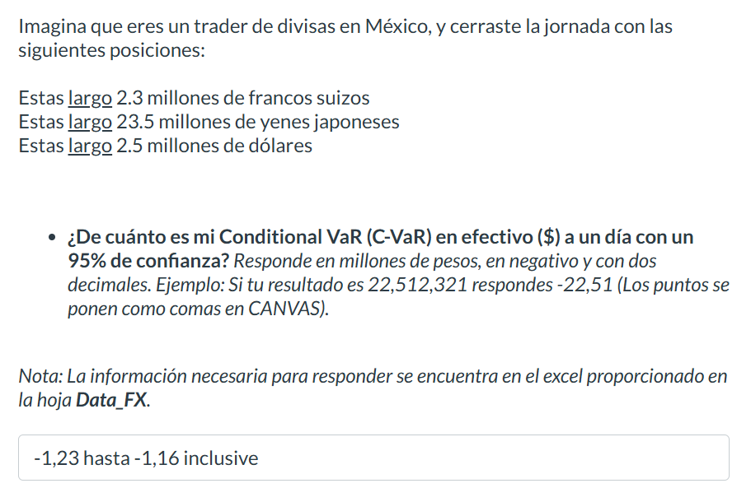
USDMXN=X
19.44659996
19.458799362
19.407600403
19.386800766
19.31855011
19.124300003
19.124500275
19.05960083
18.942399979
18.84431076
18.774200439
18.777900696
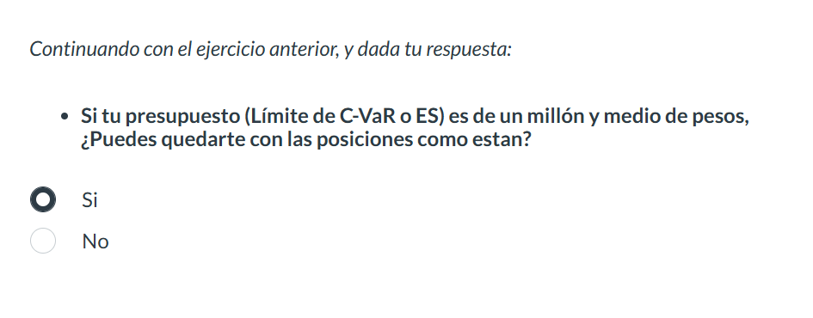
18.641500473
18.874059677
18.982700348
18.85777092
18.813259125
18.783599854
18.776199341
18.796699524
18.768749237
18.758600235
18.842870712
18.582899094
18.641399384
18.990869522
19.167999268
18.881500244
18.93445015
18.778299332
18.67840004
...

Data_Derivatives
...
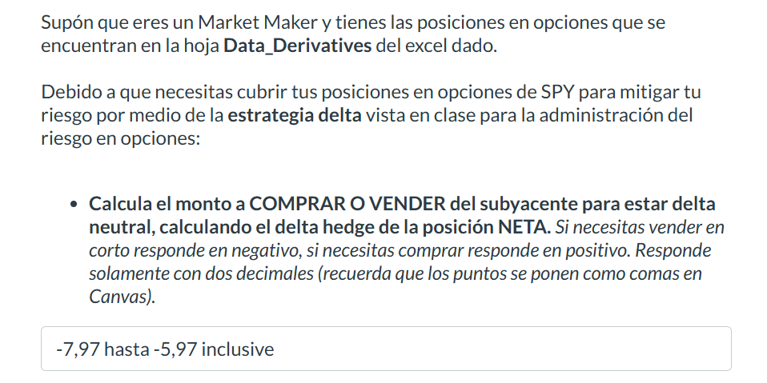
 | PUTS VENDIDOS (Subyacente SPY)
475 | Plazo / Strike | 450 | 445 | 440
17 | 1m | 26 | 18 | 14
12 | 3m | 21 | 26 | 32
11 | 6m | 17 | 35 | 43
 | nocionales expresados en miles de títulos

 | Volatilidad ímplicita por K y plazo PUTS
475 | Plazo / Strike | 450 | 445 | 440
0.15 | 1m | 0.24 | 0.22 | 0.2
0.19 | 3m | 0.25 | 0.24 | 0.23
0.2 | 6m | 0.26 | 0.25 | 0.24

